Introduction
Center for Digital Transformation
TUM School of Management
Technical University of Munich
Capacity Management
Capacity of the entire process depends on the capacity of the slowest individual activity.

Little's Law
$$Average inventory=Average flow time ×Average flow rate$$

Task 1
Center for Digital Transformation
TUM School of Management
Technical University of Munich
1 | Consider the hairdresser firm ProfiCutZ. Customers of this hairdresser proceed according to the following steps. They enter the shop, immediately check in (which takes 2 minutes per customer). Then customers wait 7 minutes. Then they proceed to hair-washing, which takes 10 minutes per customer. Then they wait again for 3 minutes. Next, their hair is being cut by a professional hairdresser (this step is called hairdressing), which takes 30 minutes. After waiting another 5 minutes, customers proceed to check-out to pay, and leave the shop. This entire check-out procedure takes another 3 minutes. Assume there are three groups of workers in the firm ProfiCutZ: professional hairdressers, hair washers, and administration. Professional hairdressers can perform any task, but usually only engage in hairdressing. Hair washers can only wash hair. Administration staff can only accommodate the check-in and check-out procedures. Currently, ProfiCutZ employs 5 hairdressers, 2 unskilled hair washers, and 1 administrative person. a) Perform a process flow chart analysis for the firm ProfiCutZ: Draw a process flow diagram. b) What is the capacity of ProfiCutZ in customers per hour? c) Which resource is the bottleneck at ProfiCutZ? d) How many customers are there, at the same time, in 1 hour at ProfiCutZ in the steady state? e) From the identified bottleneck, the company decides to hire 2 employees who can perform these tasks. How many more customers can be served per hour at ProfiCutZ with these 2 employees?

 | a. Process Flow Diagram

 | b.
 | Activity Table
 | Activity | Time (mins) | Time (hr)

 | Flow time

 | Capacity Table
 | Process | Time/customer | Capacity/ hr

 |  | Capacity of ProficutZ (customer/hour) |  | = min{capacity of administrative process, capacity of hair washing, capacity of hair dressing}

 | c. Bottleneck
 |  | Bottleneck = Process with smallest capacity in the system

 | d. Customers in steady state

 | e. Customers served with 2 additional hairdressers

Task 2
Center for Digital Transformation
TUM School of Management
Technical University of Munich
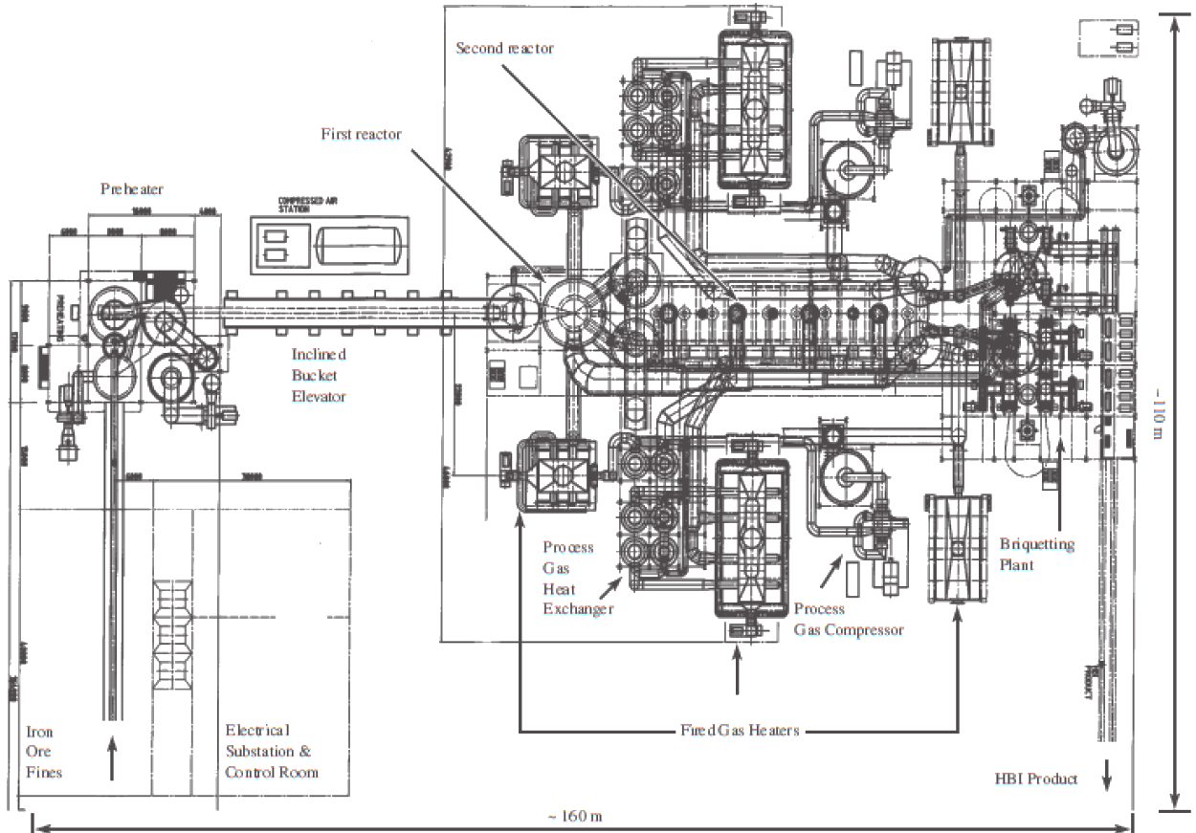
2 | Circored plant converts iron ore (in the form of iron ore fines) into direct reduced iron (DRI) briquettes. The plant has an annual demand of 657,000 tons of DRI briquettes. The iron ore is the flow unit in the process as it undergoes multiple transformation before becoming DRI briquettes. In the Circored plant, the first step the flow unit encounters in the process is the preheater, where the iron ore fines (which have a texture like large-grained sand) are dried and heated. The heating is achieved through an inflow of high-pressured air, which is blown into the preheater from the bottom. The high-speed air flow "fluidizes" the ore, meaning that the mixed air-ore mass (a "sandstorm") circulates through the system as if it was a fluid, while being heated to a temperature of approximately 850-900°C. The preheater can process 120 tons per hour. From the preheater, a large bucket elevator transports the ore to the second process step, the lock hoppers. The lock hoppers consist of three large containers, separated by sets of double isolation valves. Their role is to allow the ore to transition from an oxygen-rich environment to a hydrogen atmosphere. The lock hoppers can process 110 tons per hour. Following the lock hoppers, the ore enters the circulating fluid bed reactor (CFB, 1st reactor), where the actual reduction process begins. The reduction process requires the ore to be in the reactor for 15 minutes. At any given moment of time, there can be, at maximum, 28 tons in the CFB reactor. After this first reduction, the material flows into the stationary fluid bed reactor (SFB, 2nd reactor). This second reaction takes about four hours. The reactor is the size of a medium two-family home and contains 400 tons of the hot iron ore at any given moment in time. Stationary fluid bed reactors require 4 hours for the material to react. Following the fluid bed reactors, the reduced iron enters the flash heater, in which a stream of high-velocity hydrogen carrie

 | a. Overall Capacity of the plant
 |  | Activity Table
 |  | Process |  | Capacity (tons/hr)

 |  |  | Plant Overall Capacity (tons/hr) |  |  | = min{capacity of all individual processes}

 | b. Time taken to produce 25,000 tons of DRI briquettes

 | c. Average capacity utilization of each resource

 |  | Process |  | Capacity (tons/hr) | Demand (tons/hr) | Capacity Utilization | Process Capacity
 |  |  |  |  |  |  | 0% | 0%
 |  |  |  |  |  |  | 0% | 0%
 |  |  |  |  |  |  | 0% | 0%
 |  |  |  |  |  |  | 0% | 0%
 |  |  |  |  |  |  | 0% | 0%
 |  |  |  |  |  |  | 0% | 0%
 |  |  |  |  |  |  | 0% | 0%
 |  | Overall Capacity

